Sheet1
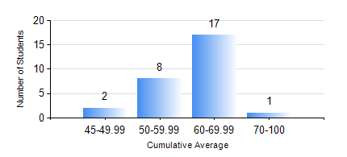
 |  |  | KWAME NKRUMAH UNIVERSITY OF SCIENCE AND TECHNOLOGY, KUMASI Department of Mechanical Engineering

 |  |  | BSC. MARINE ENG.

 |  |  | COMPREHENSIVE RECORD OF EXAMINATION RESULTS

 |  |  | RESULTS OF YEAR 2 SECOND SEMESTER, 2020/2021 ACADEMIC YEAR

 | Sn | Course Code |  | Course Name | Credit Hours | Min. Mark | Max. Mark | Avg. Mark | Std. Dev. | No. Passed | No. Trailed | No. (Df) | No. (I) | No. (I*) | No. Tagged(I,I*,Df) | Total
 | 0. |  |  |  |  |  |  | 0 | 0 | 0 | 0 | 0 | 0 | 0 | 0 | 2
 | 1. | MATH 252 |  | CALCULUS WITH SEVERAL VARIABLES | 4 | 41 | 75 | 55 | 8.82 | 26 | 0 | 0 | 0 | 0 | 0 | 26
 | 2. | ME 252 |  | FLUID DYNAMICS 1 | 2 | 25 | 88 | 52 | 16.18 | 23 | 3 | 0 | 0 | 0 | 0 | 26
 | 3. | ME 270 |  | MANUFACTURING TECHNOLOGY | 3 | 35 | 76 | 57 | 9.61 | 25 | 1 | 0 | 0 | 0 | 0 | 26
 | 4. | MME 264 |  | MARINE MECHANISMS, SYSTHESIS AND ANALYSIS | 3 | 18 | 79 | 52 | 12.63 | 25 | 1 | 0 | 0 | 0 | 0 | 26
 | 5. | MME 274 |  | MARINE ENGINEERING DESIGN PROJECT II | 2 | 27 | 68 | 49 | 10.48 | 23 | 3 | 0 | 0 | 0 | 0 | 26
 | 6. | MME 292 |  | SEAMANSHIP | 2 | 56 | 88 | 75 | 9.27 | 26 | 0 | 0 | 0 | 0 | 0 | 26
 | 7. | MME 296 |  | MARINE ENGINEERING LABORATORY I | 1 | 49 | 91 | 79 | 10.23 | 26 | 0 | 0 | 0 | 0 | 0 | 26
 | 8. | SES 172 |  | AQUATIC STROKES DEVELOPMENT AND REFINEMENT | 2 | 44 | 66 | 55 | 5.39 | 26 | 0 | 0 | 0 | 0 | 0 | 26

